Main Dashboard
🏠 Home
Food Delivery Analytics - Dashboard Hub

TOTAL ORDERS
REVENUE
DELIVERY SUCCESS
CANCELLATION RATE
AVG DELIVERY TIME
AVG CUSTOMER RATING
AVG ORDER VALUE
UNIQUE CUSTOMERS

1200
6,99,950
65.9%
16.8%
41.5min
4.02
931
350

Avg delivery time by distance band (min)
 | Total
0.5 | 49
0.6 | 46.8
0.7 | 33.428571429
0.8 | 32.75
0.9 | 49
1 | 27.625
1.1 | 41.166666667
1.2 | 40
1.3 | 36.166666667
1.4 | 39.166666667
1.5 | 36.333333333
1.6 | 51.833333333
1.7 | 28
1.8 | 51
1.9 | 51.666666667
2 | 39.636363636
2.1 | 36.875
2.2 | 33.2
2.3 | 42.375
2.4 | 43.2
2.5 | 51.2
2.6 | 58.333333333
2.7 | 35.4
2.8 | 43
2.9 | 41.833333333
3 | 38
3.1 | 48
3.2 | 48.333333333
3.3 | 48.6
3.4 | 49
3.5 | 40
3.6 | 41.333333333
3.7 | 36.25
3.8 | 41.75
3.9 | 46.2
4 | 39.555555556
4.1 | 32
4.2 | 57.285714286
4.3 | 37.333333333
4.4 | 33.75
4.5 | 27.181818182
4.6 | 51
4.7 | 40.5
4.8 | 42.333333333
4.9 | 36.5
5 | 38.4
5.1 | 39.75
5.2 | 39.6
5.3 | 45.714285714
5.4 | 40.5
...
Customer rating distribution
 | Total
5 | 525
4 | 354
3 | 188
2 | 84
1 | 49
Avg customer rating by restaurant
 | Total
Cafe Aroma | 4.2403846154
Green Bowl | 4.1836734694
Pizza Point | 4.1818181818
Urban Tadka | 4.0854700855
Momo Nation | 4.0337078652
Royal Biryani | 4.0215053763
Spice Hub | 4
Food Street | 3.9677419355
Taste Junction | 3.9065420561
Burger House | 3.900990099
The Food Corner | 3.8556701031
Delhi Zaika | 3.8333333333

Orders by age group and gender
 | Female | Male | Other
18 | 11 | 13 | 1
19 | 14 | 15 | 2
20 | 14 | 15 | 0
21 | 11 | 12 | 1
22 | 13 | 9 | 0
23 | 16 | 11 | 1
24 | 9 | 18 | 0
25 | 13 | 19 | 2
26 | 15 | 13 | 0
27 | 12 | 12 | 1
28 | 16 | 10 | 2
29 | 17 | 13 | 1
30 | 9 | 18 | 0
31 | 10 | 15 | 3
32 | 17 | 14 | 0
33 | 14 | 10 | 0
34 | 17 | 11 | 1
35 | 20 | 12 | 0
36 | 6 | 14 | 1
37 | 18 | 11 | 1
38 | 13 | 12 | 3
39 | 12 | 16 | 1
40 | 16 | 14 | 0
41 | 15 | 11 | 1
42 | 24 | 9 | 0
43 | 15 | 16 | 1
44 | 9 | 6 | 2
45 | 16 | 9 | 0
46 | 15 | 21 | 0
47 | 12 | 16 | 2
48 | 8 | 10 | 1
49 | 17 | 14 | 0
50 | 14 | 13 | 0
51 | 16 | 19 | 0
52 | 12 | 16 | 4
53 | 16 | 10 | 1
54 | 16 | 15 | 1
55 | 10 | 15 | 0
56 | 12 | 15 | 0
57 | 13 | 12 | 0
58 | 12 | 15 | 0
59 | 13 | 15 | 1
60 | 11 | 12 | 0
Net revenue by restaurant
 | Total
Burger House | 100024
Cafe Aroma | 87906
Delhi Zaika | 90449
Food Street | 88606
Green Bowl | 92713
Momo Nation | 85647
Pizza Point | 82449
Royal Biryani | 75482
Spice Hub | 89232
Taste Junction | 88303
The Food Corner | 89538
Urban Tadka | 102170

Monthly order by status
 | Cancelled | Delivered | Pending
2025 Jan | 15 | 66 | 12
2025 Feb | 15 | 48 | 21
2025 Mar | 19 | 55 | 19
2025 Apr | 17 | 61 | 12
2025 May | 16 | 59 | 18
2025 Jun | 19 | 58 | 13
2025 Jul | 16 | 59 | 18
2025 Aug | 12 | 70 | 11
2025 Sep | 16 | 60 | 14
2025 Oct | 15 | 63 | 15
2025 Nov | 15 | 61 | 14
2025 Dec | 16 | 61 | 16
2026 Jan | 10 | 63 | 20
2026 Feb | 1 | 7 | 4
Delivery vs pickup orders by city
 | Delivery | Pickup
Delhi | 85 | 34
Ahmedabad | 88 | 26
Bengaluru | 78 | 32
Chennai | 88 | 20
Noida | 81 | 26
Jaipur | 70 | 32
Pune | 70 | 26
Hyderabad | 72 | 24
Kolkata | 73 | 21
Lucknow | 64 | 27
Mumbai | 55 | 28
Gurugram | 57 | 23
Monthly net revenue trend
 | Total
2025 Jan | 57842
2025 Feb | 44649
2025 Mar | 50840
2025 Apr | 50996
2025 May | 53126
2025 Jun | 53242
2025 Jul | 58701
2025 Aug | 55472
2025 Sep | 53830
2025 Oct | 53755
2025 Nov | 56754
2025 Dec | 53347
2026 Jan | 53371
2026 Feb | 4025

Order status by city
 | Cancelled | Delivered | Pending
Ahmedabad | 18 | 80 | 16
Bengaluru | 22 | 71 | 17
Chennai | 25 | 72 | 11
Delhi | 12 | 81 | 26
Gurugram | 9 | 55 | 16
Hyderabad | 13 | 57 | 26
Jaipur | 21 | 71 | 10
Kolkata | 14 | 62 | 18
Lucknow | 11 | 61 | 19
Mumbai | 15 | 53 | 15
Noida | 25 | 67 | 15
Pune | 17 | 61 | 18
Orders by Cuisine
 | Total
Burgers | 138
North Indian | 136
Desserts | 128
Fast Food | 122
Chinese | 121
Momos | 116
Biryani | 115
Healthy | 114
Pizza | 109
South Indian | 101

1. Order Analytics _x0009__x0009__x0009_
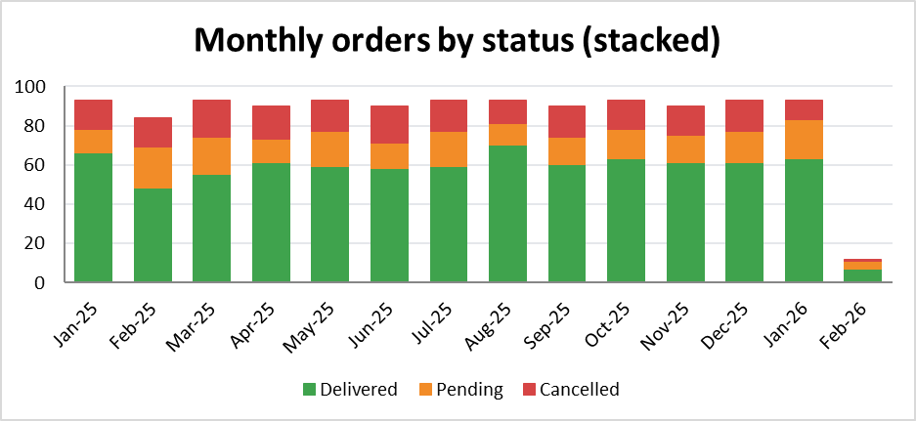
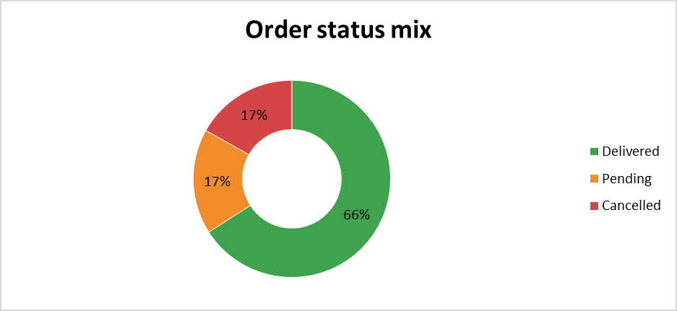
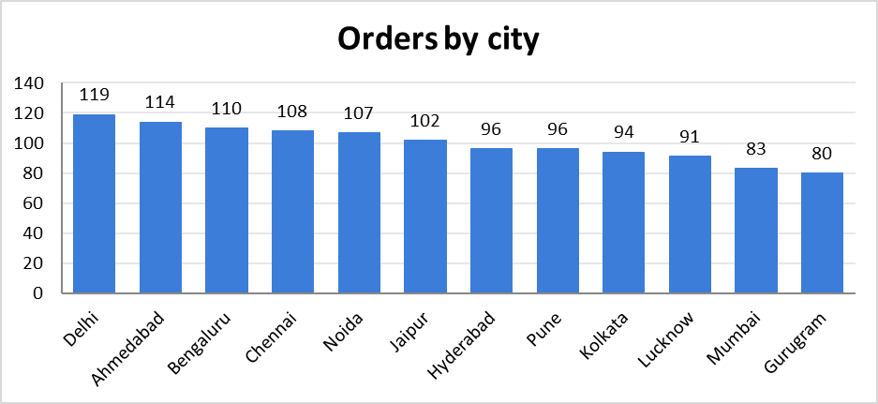
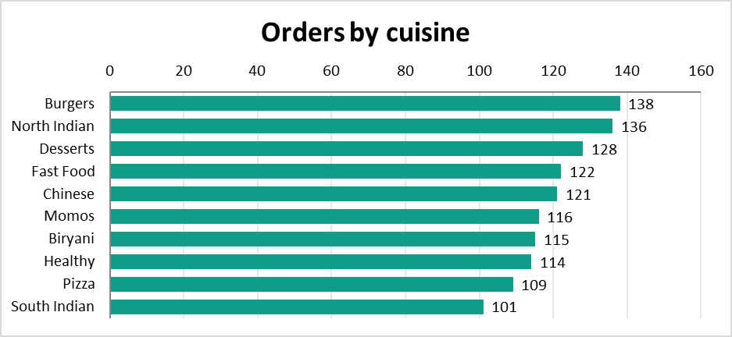
🏠 Home | 1.ORDER ANALYICS

2. Restaurant Preformance
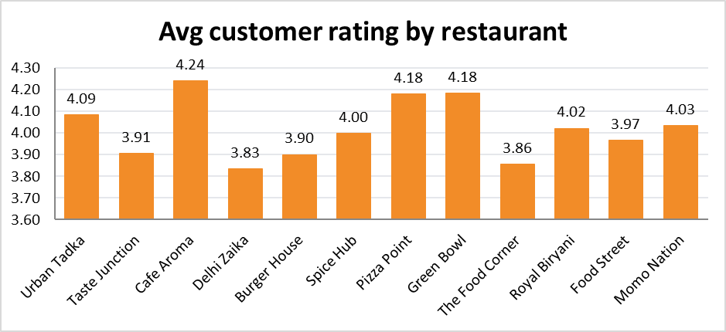
🏠 Home | 2. Restaurant Performance
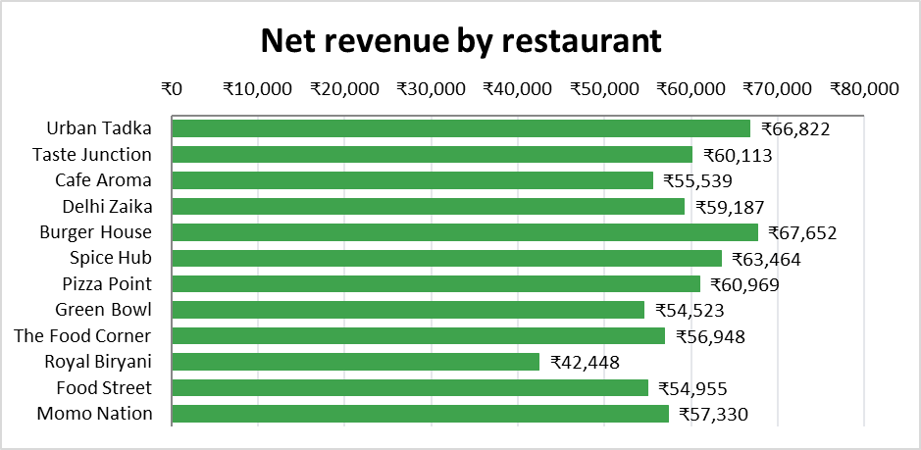 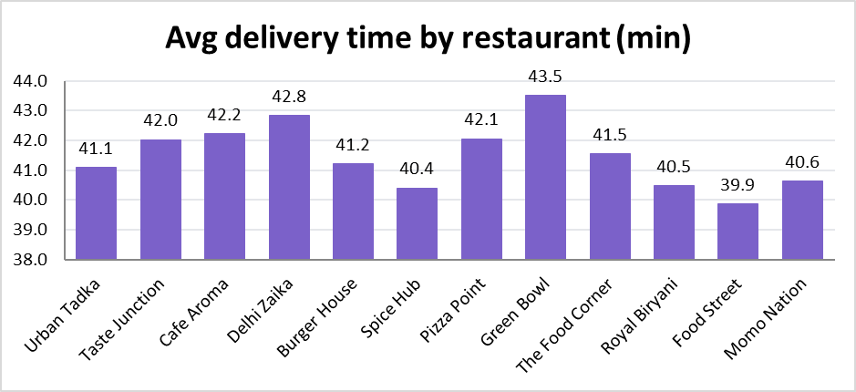

 | 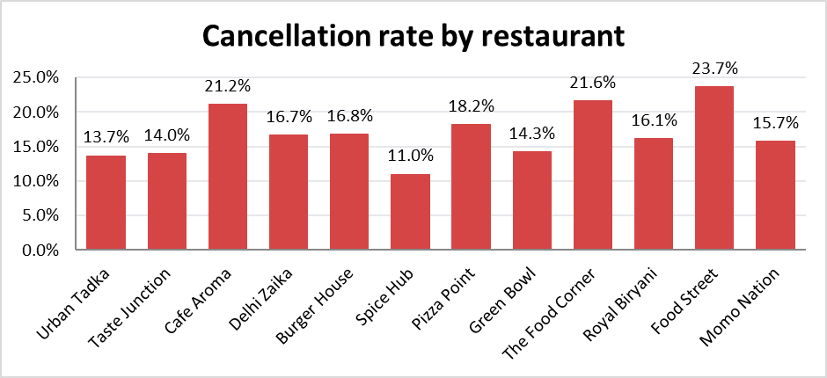

3. Customer Analytics
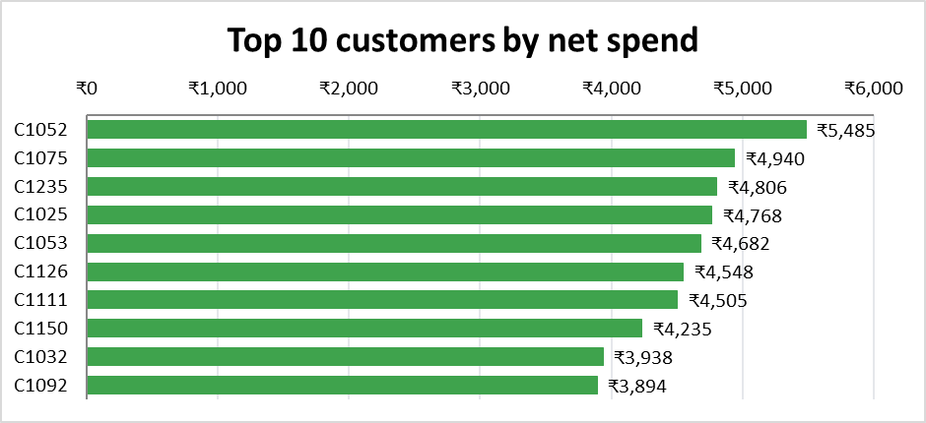
🏠 Home | 3. Customer Analytics

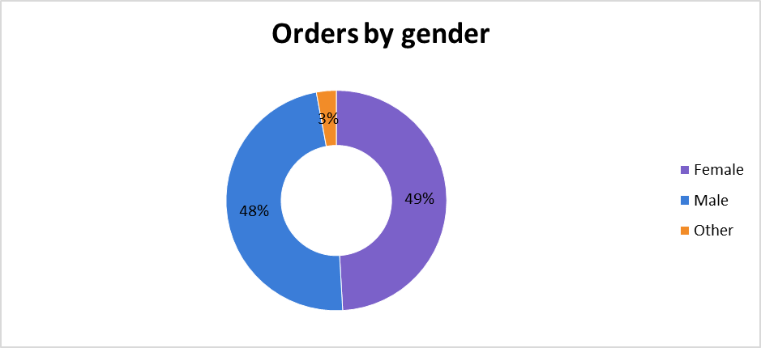
 | 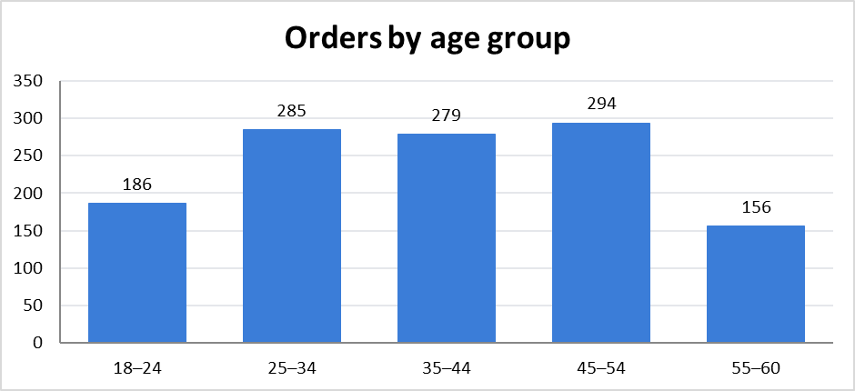 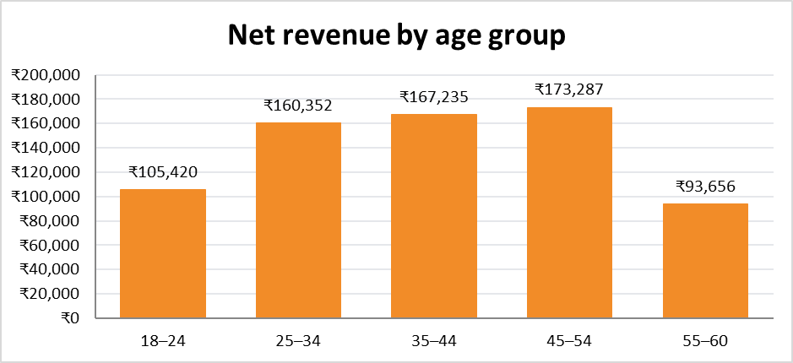

4. Delivery Partner Analytics
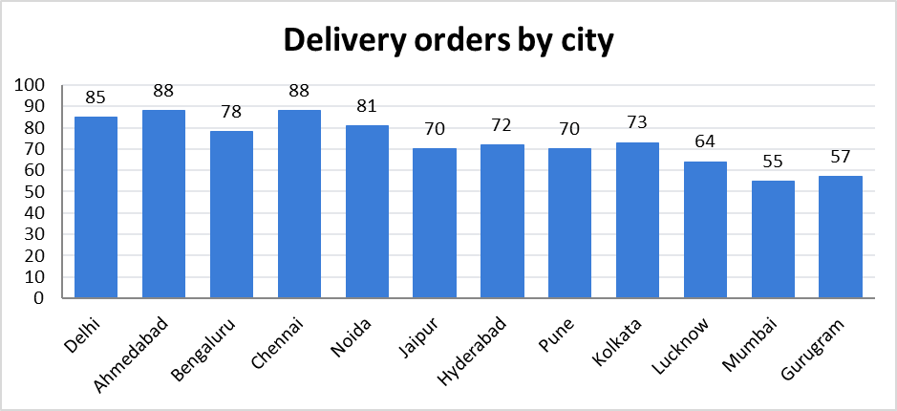 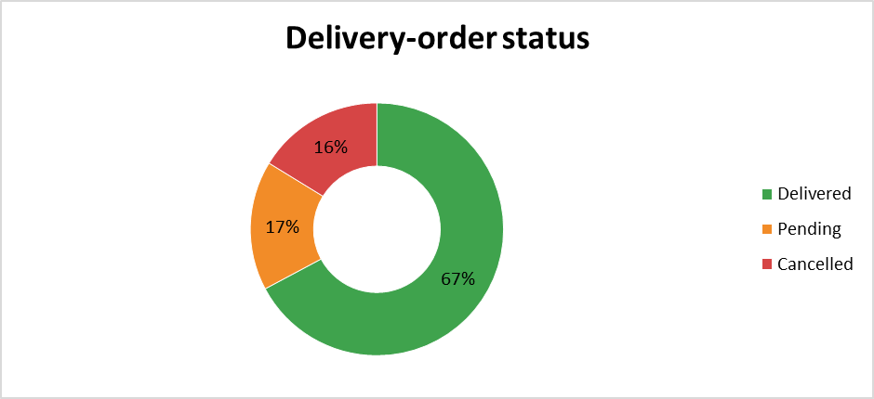 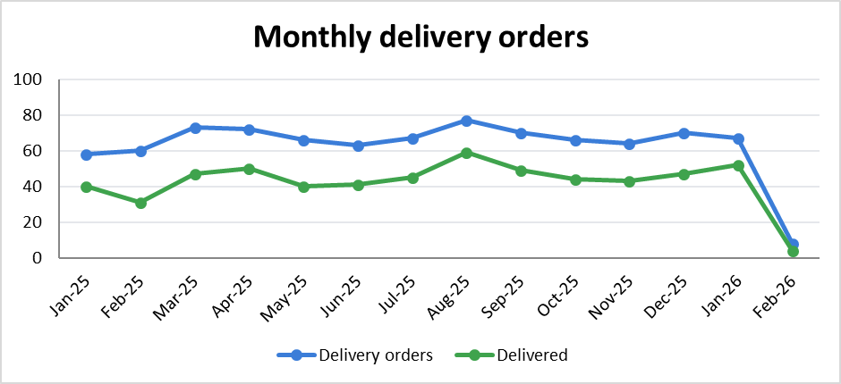 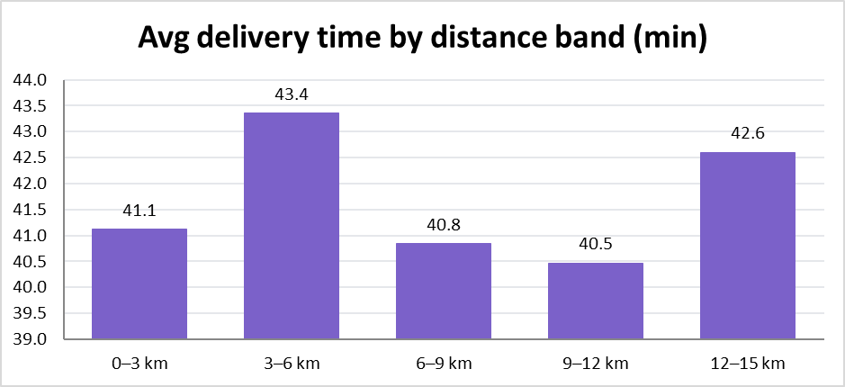
🏠 Home | 4. Delivery Partner Analytics

5. Delivery Time
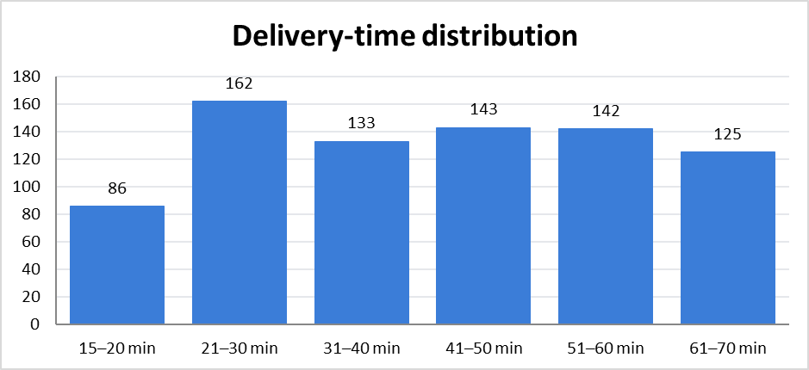
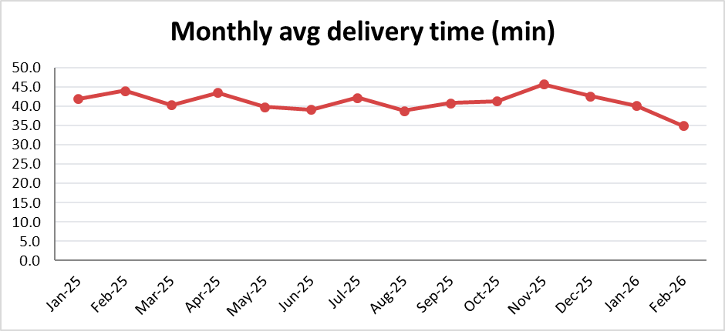
🏠 Home | 5. Delivery Time

 | 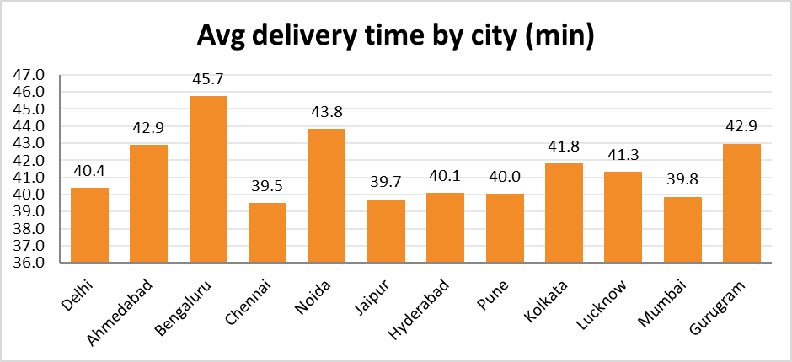 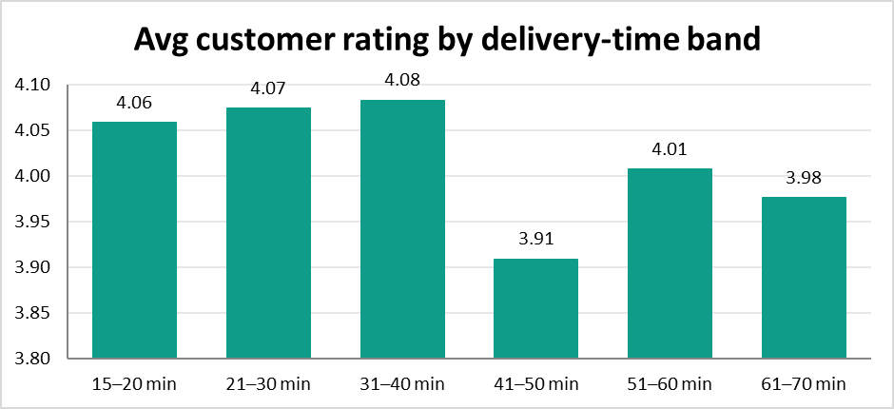

6. Cancellation Analysis
🏠 Home | 6. Cancellation Analysis

 | 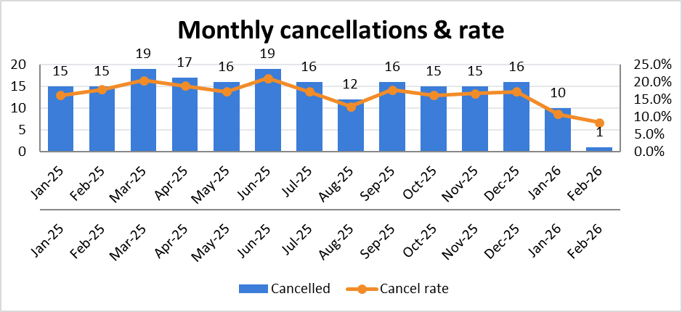 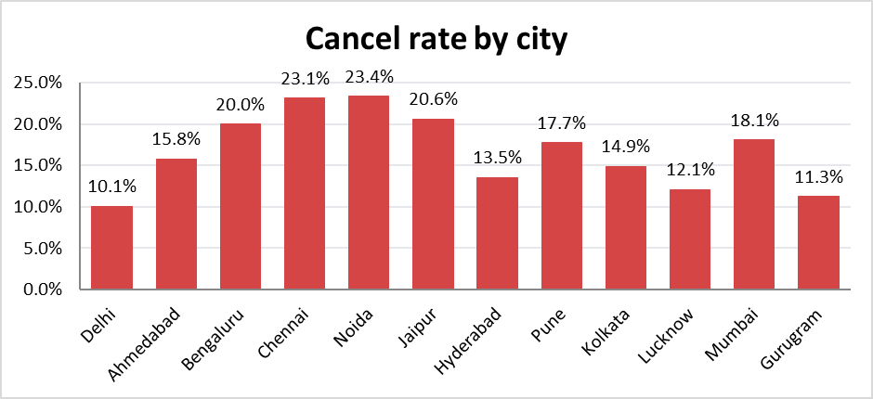 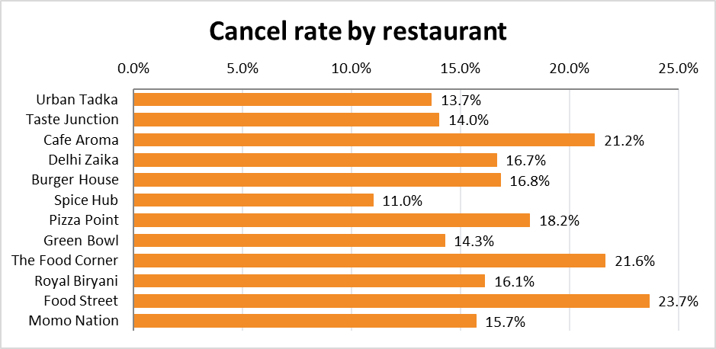 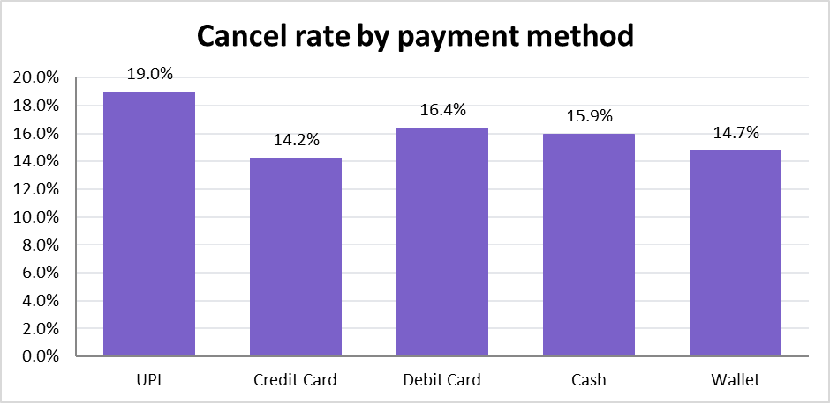

7. Rating and Review
🏠 Home | 7. Rating and Review

 | 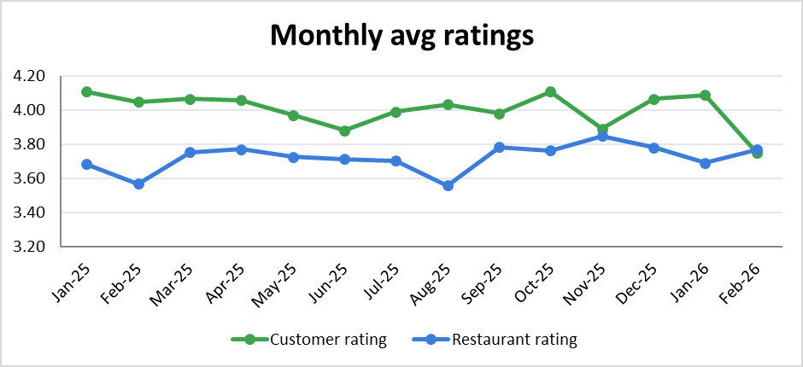 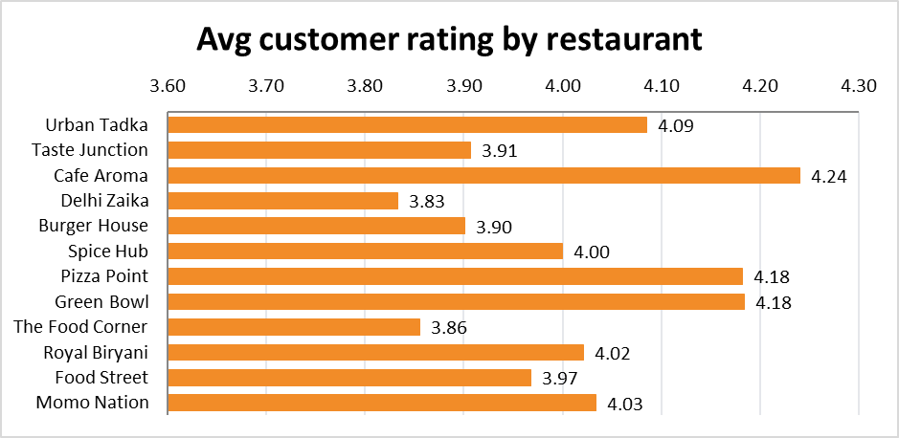 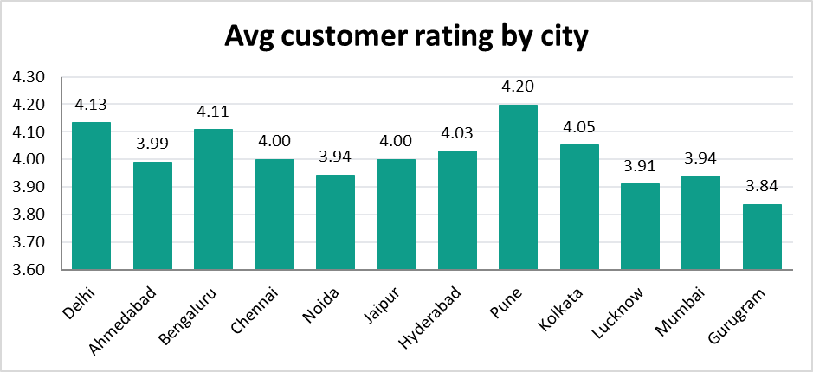 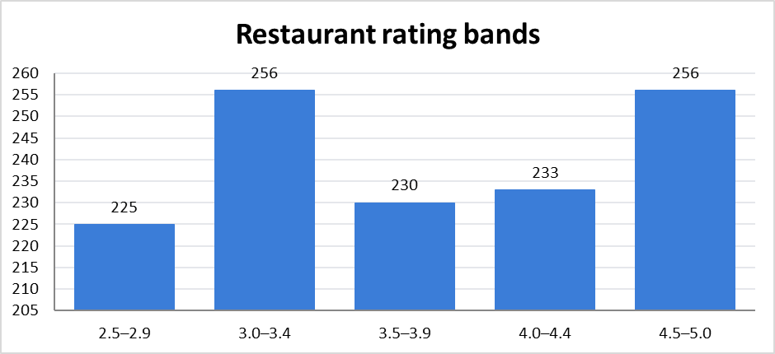

8. Revenue DashBoard
🏠 Home | 8. Revenue DashBoard

 | 